Text to Column
The Text to Columns feature comes in really handy when you need to divide a single cell into two or more cells.
It allows splitting text strings by a specified delimiter such as comma, semicolon or space as well as separating substrings of a fixed length.

Let's see how each scenario works:

How to separate cells in Excel by Delimitier

In the given table Row ID, Order ID and Customer name are all given in the same column.
RowID | OrderID | CustomerName | City | State
6015, | CA-2016- | 159016 Karen Ferguson | Los Angeles | California
6100, | CA-2017- | 100111 Seth Vernon | New York City | New York
6011, | CA-2015- | 135580 Clay Ludtke | Los Angeles | California
6117 , | US-2016- | 113677 Corinna Mitchell | New York City | New York
6102, | CA-2017- | 100111 Seth Vernon | New York City | New York
6176 , | CA-2015- | 158421 Giulietta Baptist | Columbia | South Carolina
6114, | CA-2016- | 124590 Susan Pistek | Parma | Ohio
6111 , | CA-2016- | 124590 Susan Pistek | Parma | Ohio
6049, | CA-2015- | 105571 Christine Phan | Miami | Florida
6101, | CA-2017- | 100111 Seth Vernon | New York City | New York

To separate data in one cell into several cell we need to perform the following steps:

Step 1 Insert new columns if you want to put split cell in the middle of the table.
Step 2 Select the cells you want to divide, navigate to the Data tab > Data Tools group, and click the Text to Columns button.

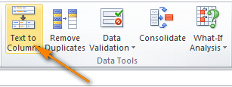

Step 3 User is required to select from the given two options
Delimited and Fixed Width Option
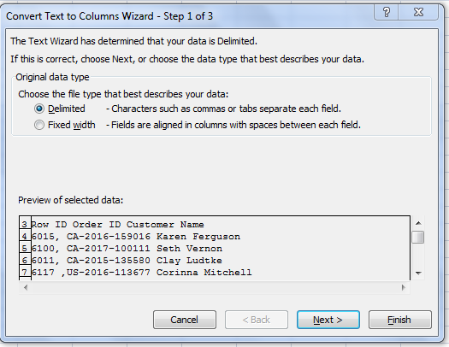

Step 4 Specify delimiters such as space, comma etc.
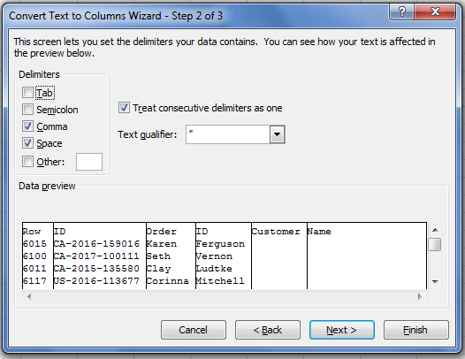

You can choose one or more predefined delimiters as well as type your own one in the Other box. In this example, we select Space and Comma:

Step 5 Lastly, click the Finish button and you are done.As shown in the below screenshot, Excel has perfectly split the contents of one cell into several cells:
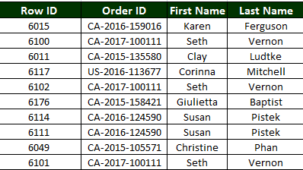

How to split text of a fixed width

This section explains how to divide a cell in Excel based on the number of characters you specify.
To make things easier to understand, please consider the following example.

Suppose, you have Product IDs and Product names in one column and you want to extract the IDs into a separate column:
TEC-PH-10002885Technology
FUR-CH-10004086Furniture
TEC-MA-10004002Technology
TEC-PH-10002114Technology
FUR-CH-10001215Furniture
FUR-CH-10000309Furniture
FUR-CH-10000454Furniture
FUR-CH-10004495Furniture

Since all of the product IDs contain 16 characters, the Fixed width option fits perfectly for the job:

To separate text using fixed width, follow the following steps

Step 1 In the text to column wizard, choose fixed width option to separate the text.
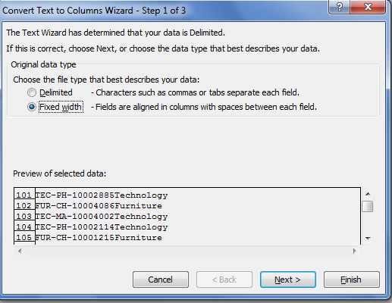

Step 2. Set the width of each column by using the Data preview section.
As shown in the screenshot below, a vertical line represents a column break, and to create a new break line, you simply click at the desired position (16 characters in our case):
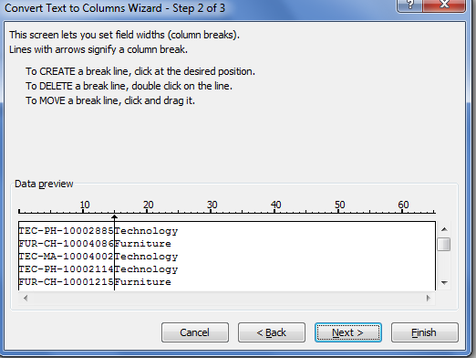

Step 3. In the next step, choose the data format and destination for the split cells exactly as we did in the previous example.
Click the Finish button to complete the separation.
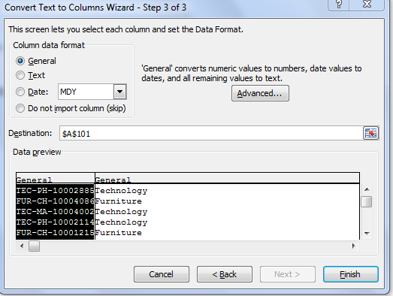

You have successfully separated the text as shown below

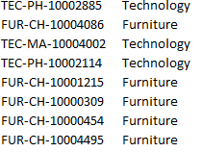

Classroom Exercise

Customer Name | Segment | Country | City | State | Postal Code | Product Id and | Customer ID
Seth Vernon | Consumer | United States | New York City | New York | 10035 | FUR-CH-10004086 | SV-20365
Corinna Mitchell | Home Office | United States | New York City | New York | 10011 | TEC-PH-10002114 | CM-12655
Giulietta Baptist | Consumer | United States | Columbia | South Carolina | 29203 | FUR-CH-10000309 | GB-14575
Seth Vernon | Consumer | United States | New York City | New York | 10035 | FUR-CH-10001215 | SV-20365
Karen Ferguson | Home Office | United States | Los Angeles | California | 90008 | TEC-PH-10002885 | CM-12655
Seth Vernon | Consumer | United States | New York City | New York | 10035 | TEC-PH-10002885 | GB-14575
Clay Ludtke | Consumer | United States | Los Angeles | California | 90049 | TEC-MA-10004002 | PR-89007
Nick Zandusky | Home Office | United States | Springfield | Missouri | 65807 | OFF-ST-10002011 | CF-76541
Ralph Arnett | Consumer | United States | San Diego | California | 92037 | TEC-CO-10004202 | MN-09856
Jessica Myrick | Consumer | United States | New York City | New York | 10035 | FUR-FU-10003192 | BL-34507
Patrick Gardner | Consumer | United States | New York City | New York | 10011 | TEC-AC-10001432 | RA-23098
Frank Atkinson | Corporate | United States | Los Angeles | California | 90008 | TEC-MA-10001031 | PS-28003
Giulietta Baptist | Consumer | United States | Columbia | South Carolina | 29203 | TEC-PH-10000369 | KW-40897
Benjamin Farhat | Home Office | United States | Minneapolis | Minnesota | 55407 | FUR-TA-10001771 | 45009

